Mapping
14 | ap_accrual_account
21 | average_cost_var_account
 | borrpay_matl_var_account
 | borrpay_moh_var_account
 | borrpay_osp_var_account
 | borrpay_ovh_var_account
 | borrpay_res_var_account
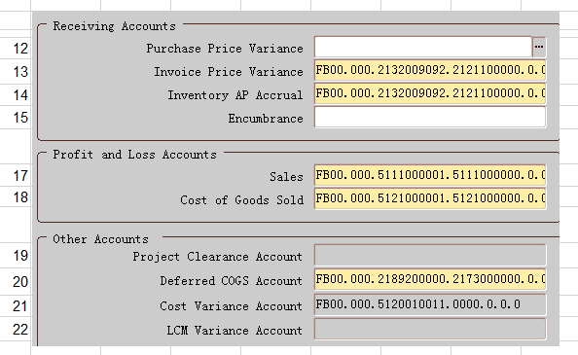
 | cost_group_accounting
18 | cost_of_sales_account
20 | deferred_cogs_account
15 | encumbrance_account
6 | expense_account
10 | interorg_payables_account
8 | interorg_price_var_account
9 | interorg_receivables_account
7 | interorg_transfer_cr_account
11 | intransit_inv_account
13 | invoice_price_var_account
22 | lcm_var_account
1 | material_account
3 | material_overhead_account
2 | outside_processing_account
4 | overhead_account |  |  | 19
19 | project_cost_account | ?
12 | purchase_price_var_account
5 | resource_account
17 | sales_account

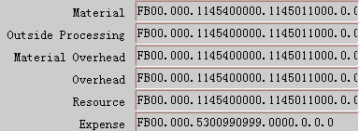
 |  |  | 1
 |  |  | 2
 |  |  | 3
 |  |  | 4
 |  |  | 5
 |  |  | 6

 |  |  | 7
 |  |  | 8
 |  |  | 9
 |  |  | 10
 |  |  | 11

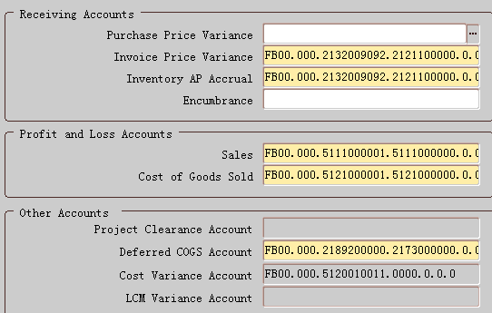

 |  |  | 12
 |  |  | 13
 |  |  | 14
 |  |  | 15

 |  |  | 17
 |  |  | 18

 |  |  | 19
 |  |  | 20
 |  |  | 21
 |  |  | 22

Check
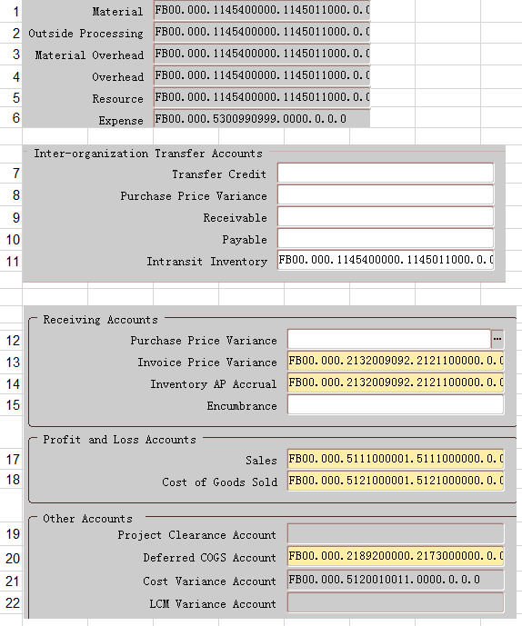
1 | 1 | MATERIAL_ACCOUNT | 1009
2 | 1 | MATERIAL_ACCOUNT | Asset
3 | 1 | MATERIAL_ACCOUNT | FB00.000.1145400000.1145011000.0.0.0
4 | 1 | MATERIAL_ACCOUNT | HEA.Default.Raw Materials.STOCKS MATERIALS-MANUFACT.Default.Default.Default
5 | 2 | OUTSIDE_PROCESSING_ACCOUNT | 1009
6 | 2 | OUTSIDE_PROCESSING_ACCOUNT | Asset
7 | 2 | OUTSIDE_PROCESSING_ACCOUNT | FB00.000.1145400000.1145011000.0.0.0
8 | 2 | OUTSIDE_PROCESSING_ACCOUNT | HEA.Default.Raw Materials.STOCKS MATERIALS-MANUFACT.Default.Default.Default
9 | 3 | MATERIAL_OVERHEAD_ACCOUNT | 1009
10 | 3 | MATERIAL_OVERHEAD_ACCOUNT | Asset
11 | 3 | MATERIAL_OVERHEAD_ACCOUNT | FB00.000.1145400000.1145011000.0.0.0
12 | 3 | MATERIAL_OVERHEAD_ACCOUNT | HEA.Default.Raw Materials.STOCKS MATERIALS-MANUFACT.Default.Default.Default
13 | 4 | OVERHEAD_ACCOUNT | 1009
14 | 4 | OVERHEAD_ACCOUNT | Asset
15 | 4 | OVERHEAD_ACCOUNT | FB00.000.1145400000.1145011000.0.0.0
16 | 4 | OVERHEAD_ACCOUNT | HEA.Default.Raw Materials.STOCKS MATERIALS-MANUFACT.Default.Default.Default
17 | 5 | RESOURCE_ACCOUNT | 1009
18 | 5 | RESOURCE_ACCOUNT | Asset
19 | 5 | RESOURCE_ACCOUNT | FB00.000.1145400000.1145011000.0.0.0
20 | 5 | RESOURCE_ACCOUNT | HEA.Default.Raw Materials.STOCKS MATERIALS-MANUFACT.Default.Default.Default
21 | 6 | EXPENSE_ACCOUNT | 1010
22 | 6 | EXPENSE_ACCOUNT | Expense
23 | 6 | EXPENSE_ACCOUNT | FB00.000.5300990999.0000.0.0.0
24 | 6 | EXPENSE_ACCOUNT | HEA.Default.G&A Overhead - Other Gene.Default SubAccount Value.Default.Default.Default
25 | 7 | INTERORG_TRANSFER_CR_ACCOUNT
26 | 7 | INTERORG_TRANSFER_CR_ACCOUNT
27 | 7 | INTERORG_TRANSFER_CR_ACCOUNT
28 | 7 | INTERORG_TRANSFER_CR_ACCOUNT
29 | 8 | INTERORG_PRICE_VAR_ACCOUNT
30 | 8 | INTERORG_PRICE_VAR_ACCOUNT
31 | 8 | INTERORG_PRICE_VAR_ACCOUNT
32 | 8 | INTERORG_PRICE_VAR_ACCOUNT
33 | 9 | INTERORG_RECEIVABLES_ACCOUNT
34 | 9 | INTERORG_RECEIVABLES_ACCOUNT
35 | 9 | INTERORG_RECEIVABLES_ACCOUNT
36 | 9 | INTERORG_RECEIVABLES_ACCOUNT
37 | 10 | INTERORG_PAYABLES_ACCOUNT
38 | 10 | INTERORG_PAYABLES_ACCOUNT
39 | 10 | INTERORG_PAYABLES_ACCOUNT
40 | 10 | INTERORG_PAYABLES_ACCOUNT
41 | 11 | INTRANSIT_INV_ACCOUNT | 1009
42 | 11 | INTRANSIT_INV_ACCOUNT | Asset
43 | 11 | INTRANSIT_INV_ACCOUNT | FB00.000.1145400000.1145011000.0.0.0
44 | 11 | INTRANSIT_INV_ACCOUNT | HEA.Default.Raw Materials.STOCKS MATERIALS-MANUFACT.Default.Default.Default
45 | 12 | PURCHASE_PRICE_VAR_ACCOUNT
46 | 12 | PURCHASE_PRICE_VAR_ACCOUNT
47 | 12 | PURCHASE_PRICE_VAR_ACCOUNT
48 | 12 | PURCHASE_PRICE_VAR_ACCOUNT
49 | 13 | INVOICE_PRICE_VAR_ACCOUNT | 795175
50 | 13 | INVOICE_PRICE_VAR_ACCOUNT | Liability
51 | 13 | INVOICE_PRICE_VAR_ACCOUNT | FB00.000.2132009092.2121100000.0.0.0
52 | 13 | INVOICE_PRICE_VAR_ACCOUNT | HEA.Default.Other Accounts Payable-Ac.GR/ IR RECEIVED.Default.Default.Default
53 | 14 | AP_ACCRUAL_ACCOUNT | 795175
54 | 14 | AP_ACCRUAL_ACCOUNT | Liability
55 | 14 | AP_ACCRUAL_ACCOUNT | FB00.000.2132009092.2121100000.0.0.0
56 | 14 | AP_ACCRUAL_ACCOUNT | HEA.Default.Other Accounts Payable-Ac.GR/ IR RECEIVED.Default.Default.Default
57 | 15 | ENCUMBRANCE_ACCOUNT
58 | 15 | ENCUMBRANCE_ACCOUNT
59 | 15 | ENCUMBRANCE_ACCOUNT
60 | 15 | ENCUMBRANCE_ACCOUNT
61 | 17 | SALES_ACCOUNT | 795137
62 | 17 | SALES_ACCOUNT | Revenue
63 | 17 | SALES_ACCOUNT | FB00.000.5111000001.5111000000.0.0.0
64 | 17 | SALES_ACCOUNT | HEA.Default.Finished Goods Sales Reve.SALES - EQUIPMENT.Default.Default.Default
65 | 18 | COST_OF_SALES_ACCOUNT | 795176
66 | 18 | COST_OF_SALES_ACCOUNT | Expense
67 | 18 | COST_OF_SALES_ACCOUNT | FB00.000.5121000001.5121000000.0.0.0
68 | 18 | COST_OF_SALES_ACCOUNT | HEA.Default.Cost of Finished Goods Sa.COST OF SALES - EQUIPMENT.Default.Default.Default
69 | 19 | PROJECT_COST_ACCOUNT
70 | 19 | PROJECT_COST_ACCOUNT
71 | 19 | PROJECT_COST_ACCOUNT
72 | 19 | PROJECT_COST_ACCOUNT
73 | 20 | DEFERRED_COGS_ACCOUNT | 795177
74 | 20 | DEFERRED_COGS_ACCOUNT | Liability
75 | 20 | DEFERRED_COGS_ACCOUNT | FB00.000.2189200000.2173000000.0.0.0
76 | 20 | DEFERRED_COGS_ACCOUNT | HEA.Default.Deferred Income.PROVISION FOR UNEARNED IN.Default.Default.Default
77 | 21 | AVERAGE_COST_VAR_ACCOUNT | 1015
78 | 21 | AVERAGE_COST_VAR_ACCOUNT | Expense
79 | 21 | AVERAGE_COST_VAR_ACCOUNT | FB00.000.5120010011.0000.0.0.0 | Cost Variance
80 | 21 | AVERAGE_COST_VAR_ACCOUNT | HEA.Default.Cost Variance.Default SubAccount Value.Default.Default.Default
81 | 22 | LCM_VAR_ACCOUNT
82 | 22 | LCM_VAR_ACCOUNT
83 | 22 | LCM_VAR_ACCOUNT
84 | 22 | LCM_VAR_ACCOUNT
85 | 0 | BORRPAY_MATL_VAR_ACCOUNT
86 | 0 | BORRPAY_MATL_VAR_ACCOUNT
87 | 0 | BORRPAY_MATL_VAR_ACCOUNT
88 | 0 | BORRPAY_MATL_VAR_ACCOUNT
89 | 0 | BORRPAY_MOH_VAR_ACCOUNT
90 | 0 | BORRPAY_MOH_VAR_ACCOUNT
91 | 0 | BORRPAY_MOH_VAR_ACCOUNT
92 | 0 | BORRPAY_MOH_VAR_ACCOUNT
93 | 0 | BORRPAY_OSP_VAR_ACCOUNT
94 | 0 | BORRPAY_OSP_VAR_ACCOUNT
95 | 0 | BORRPAY_OSP_VAR_ACCOUNT
96 | 0 | BORRPAY_OSP_VAR_ACCOUNT
97 | 0 | BORRPAY_OVH_VAR_ACCOUNT
98 | 0 | BORRPAY_OVH_VAR_ACCOUNT
99 | 0 | BORRPAY_OVH_VAR_ACCOUNT
100 | 0 | BORRPAY_OVH_VAR_ACCOUNT
101 | 0 | BORRPAY_RES_VAR_ACCOUNT
102 | 0 | BORRPAY_RES_VAR_ACCOUNT
103 | 0 | BORRPAY_RES_VAR_ACCOUNT
104 | 0 | BORRPAY_RES_VAR_ACCOUNT
105 | 0 | COST_GROUP_ACCOUNTING
106 | 0 | COST_GROUP_ACCOUNTING
107 | 0 | COST_GROUP_ACCOUNTING
108 | 0 | COST_GROUP_ACCOUNTING
109 | #N/A | ORGANIZATION_ID | 83
110 | #N/A | LAST_UPDATE_DATE | 43255.665197
111 | #N/A | LAST_UPDATED_BY | 4270
112 | #N/A | CREATION_DATE | 41157.512141
113 | #N/A | CREATED_BY | 1112
114 | #N/A | LAST_UPDATE_LOGIN | 15744518
115 | #N/A | ORGANIZATION_CODE | SG1
116 | #N/A | MASTER_ORGANIZATION_ID | 81
117 | #N/A | PRIMARY_COST_METHOD | 2
118 | #N/A | COST_ORGANIZATION_ID | 83
119 | #N/A | DEFAULT_MATERIAL_COST_ID | 2
120 | #N/A | CALENDAR_EXCEPTION_SET_ID | -1
121 | #N/A | CALENDAR_CODE | HEA
122 | #N/A | GENERAL_LEDGER_UPDATE_CODE | 1
123 | #N/A | DEFAULT_ATP_RULE_ID
124 | #N/A | DEFAULT_PICKING_RULE_ID
125 | #N/A | DEFAULT_LOCATOR_ORDER_VALUE
126 | #N/A | DEFAULT_SUBINV_ORDER_VALUE
127 | #N/A | NEGATIVE_INV_RECEIPT_CODE | 2
128 | #N/A | STOCK_LOCATOR_CONTROL_CODE | 4
129 | 1 | MATERIAL_ACCOUNT | 1009
130 | 3 | MATERIAL_OVERHEAD_ACCOUNT | 1009
131 | #N/A | MATL_OVHD_ABSORPTION_ACCT
132 | 5 | RESOURCE_ACCOUNT | 1009
133 | 12 | PURCHASE_PRICE_VAR_ACCOUNT
134 | 14 | AP_ACCRUAL_ACCOUNT | 795175
135 | 4 | OVERHEAD_ACCOUNT | 1009
136 | 2 | OUTSIDE_PROCESSING_ACCOUNT | 1009
137 | 11 | INTRANSIT_INV_ACCOUNT | 1009
138 | 9 | INTERORG_RECEIVABLES_ACCOUNT
139 | 8 | INTERORG_PRICE_VAR_ACCOUNT
140 | 10 | INTERORG_PAYABLES_ACCOUNT
141 | 18 | COST_OF_SALES_ACCOUNT | 795176
142 | 15 | ENCUMBRANCE_ACCOUNT
143 | 19 | PROJECT_COST_ACCOUNT
144 | 7 | INTERORG_TRANSFER_CR_ACCOUNT
145 | #N/A | MATL_INTERORG_TRANSFER_CODE | 1
146 | #N/A | INTERORG_TRNSFR_CHARGE_PERCENT
147 | #N/A | SOURCE_ORGANIZATION_ID
148 | #N/A | SOURCE_SUBINVENTORY
149 | #N/A | SOURCE_TYPE
150 | #N/A | ORG_MAX_WEIGHT
151 | #N/A | ORG_MAX_WEIGHT_UOM_CODE
152 | #N/A | ORG_MAX_VOLUME
153 | #N/A | ORG_MAX_VOLUME_UOM_CODE
154 | #N/A | SERIAL_NUMBER_TYPE | 2
155 | #N/A | AUTO_SERIAL_ALPHA_PREFIX
156 | #N/A | START_AUTO_SERIAL_NUMBER
157 | #N/A | AUTO_LOT_ALPHA_PREFIX
158 | #N/A | LOT_NUMBER_UNIQUENESS | 2
159 | #N/A | LOT_NUMBER_GENERATION | 2
160 | #N/A | LOT_NUMBER_ZERO_PADDING | 2
161 | #N/A | LOT_NUMBER_LENGTH | 30
162 | #N/A | STARTING_REVISION | 0
163 | #N/A | ATTRIBUTE_CATEGORY
164 | #N/A | ATTRIBUTE1
165 | #N/A | ATTRIBUTE2
166 | #N/A | ATTRIBUTE3
167 | #N/A | ATTRIBUTE4
168 | #N/A | ATTRIBUTE5
169 | #N/A | ATTRIBUTE6 | HEA
170 | #N/A | ATTRIBUTE7
171 | #N/A | ATTRIBUTE8
172 | #N/A | ATTRIBUTE9
173 | #N/A | ATTRIBUTE10
174 | #N/A | ATTRIBUTE11
175 | #N/A | ATTRIBUTE12
176 | #N/A | ATTRIBUTE13
177 | #N/A | ATTRIBUTE14
178 | #N/A | ATTRIBUTE15
179 | #N/A | DEFAULT_DEMAND_CLASS
180 | #N/A | ENCUMBRANCE_REVERSAL_FLAG | 2
181 | #N/A | MAINTAIN_FIFO_QTY_STACK_TYPE
182 | 13 | INVOICE_PRICE_VAR_ACCOUNT | 795175
183 | 21 | AVERAGE_COST_VAR_ACCOUNT | 1015
184 | 17 | SALES_ACCOUNT | 795137
185 | 6 | EXPENSE_ACCOUNT | 1010
186 | #N/A | SERIAL_NUMBER_GENERATION | 2
187 | #N/A | REQUEST_ID
188 | #N/A | PROGRAM_APPLICATION_ID
189 | #N/A | PROGRAM_ID
190 | #N/A | PROGRAM_UPDATE_DATE
191 | #N/A | GLOBAL_ATTRIBUTE_CATEGORY
192 | #N/A | GLOBAL_ATTRIBUTE1
193 | #N/A | GLOBAL_ATTRIBUTE2
194 | #N/A | GLOBAL_ATTRIBUTE3
195 | #N/A | GLOBAL_ATTRIBUTE4
196 | #N/A | GLOBAL_ATTRIBUTE5
197 | #N/A | GLOBAL_ATTRIBUTE6
198 | #N/A | GLOBAL_ATTRIBUTE7
199 | #N/A | GLOBAL_ATTRIBUTE8
200 | #N/A | GLOBAL_ATTRIBUTE9
201 | #N/A | GLOBAL_ATTRIBUTE10
202 | #N/A | GLOBAL_ATTRIBUTE11
203 | #N/A | GLOBAL_ATTRIBUTE12
204 | #N/A | GLOBAL_ATTRIBUTE13
205 | #N/A | GLOBAL_ATTRIBUTE14
206 | #N/A | GLOBAL_ATTRIBUTE15
207 | #N/A | GLOBAL_ATTRIBUTE16
208 | #N/A | GLOBAL_ATTRIBUTE17
209 | #N/A | GLOBAL_ATTRIBUTE18
210 | #N/A | GLOBAL_ATTRIBUTE19
211 | #N/A | GLOBAL_ATTRIBUTE20
212 | #N/A | MAT_OVHD_COST_TYPE_ID
213 | #N/A | PROJECT_REFERENCE_ENABLED | 1
214 | #N/A | PM_COST_COLLECTION_ENABLED | 1
215 | #N/A | PROJECT_CONTROL_LEVEL | 2
216 | #N/A | AVG_RATES_COST_TYPE_ID | 1000
217 | #N/A | TXN_APPROVAL_TIMEOUT_PERIOD
218 | #N/A | MO_SOURCE_REQUIRED | 2
219 | #N/A | MO_PICK_CONFIRM_REQUIRED | 1/2/00
220 | #N/A | MO_APPROVAL_TIMEOUT_ACTION | 1
221 | 0 | BORRPAY_MATL_VAR_ACCOUNT
222 | 0 | BORRPAY_MOH_VAR_ACCOUNT
223 | 0 | BORRPAY_RES_VAR_ACCOUNT
224 | 0 | BORRPAY_OSP_VAR_ACCOUNT
225 | 0 | BORRPAY_OVH_VAR_ACCOUNT
226 | #N/A | PROCESS_ENABLED_FLAG | N
227 | #N/A | PROCESS_ORGN_CODE
228 | #N/A | WSM_ENABLED_FLAG | N
229 | #N/A | DEFAULT_COST_GROUP_ID | 1001
230 | #N/A | LPN_PREFIX
231 | #N/A | LPN_SUFFIX
232 | #N/A | LPN_STARTING_NUMBER
233 | #N/A | WMS_ENABLED_FLAG | N
234 | #N/A | PREGEN_PUTAWAY_TASKS_FLAG | 2
235 | #N/A | REGENERATION_INTERVAL
236 | #N/A | TIMEZONE_ID
237 | #N/A | MAX_PICKS_BATCH
238 | #N/A | DEFAULT_WMS_PICKING_RULE_ID
239 | #N/A | DEFAULT_PUT_AWAY_RULE_ID
240 | #N/A | DEFAULT_TASK_ASSIGN_RULE_ID
241 | #N/A | DEFAULT_LABEL_COMP_RULE_ID
242 | #N/A | DEFAULT_CARTON_RULE_ID
243 | #N/A | DEFAULT_CYC_COUNT_HEADER_ID
244 | #N/A | CROSSDOCK_FLAG | 1
245 | #N/A | CARTONIZATION_FLAG | 1
246 | #N/A | COST_CUTOFF_DATE | 6/30/18
247 | #N/A | ENABLE_COSTING_BY_CATEGORY
248 | 0 | COST_GROUP_ACCOUNTING
249 | #N/A | ALLOCATE_SERIAL_FLAG
250 | #N/A | DEFAULT_PICK_TASK_TYPE_ID
 | #N/A | DEFAULT_CC_TASK_TYPE_ID
 | #N/A | DEFAULT_PUTAWAY_TASK_TYPE_ID
 | #N/A | DEFAULT_REPL_TASK_TYPE_ID
 | #N/A | EAM_ENABLED_FLAG | N
 | #N/A | MAINT_ORGANIZATION_ID
 | #N/A | PRIORITIZE_WIP_JOBS | 1
 | #N/A | DEFAULT_CROSSDOCK_SUBINVENTORY
 | #N/A | SKIP_TASK_WAITING_MINUTES
 | #N/A | QA_SKIPPING_INSP_FLAG | N
 | #N/A | DEFAULT_CROSSDOCK_LOCATOR_ID
 | #N/A | DEFAULT_MOXFER_TASK_TYPE_ID
 | #N/A | DEFAULT_MOISSUE_TASK_TYPE_ID
 | #N/A | DEFAULT_MATL_OVHD_COST_ID | 3
 | #N/A | DISTRIBUTED_ORGANIZATION_FLAG | N
 | #N/A | CARRIER_MANIFESTING_FLAG | N
 | #N/A | DISTRIBUTION_ACCOUNT_ID
 | #N/A | DIRECT_SHIPPING_ALLOWED | N
 | #N/A | DEFAULT_PICK_OP_PLAN_ID
 | #N/A | MAX_CLUSTERS_ALLOWED
 | #N/A | CONSIGNED_FLAG
 | #N/A | CARTONIZE_SALES_ORDERS | Y
 | #N/A | CARTONIZE_MANUFACTURING | N
 | #N/A | DEFER_LOGICAL_TRANSACTIONS | 2
 | #N/A | WIP_OVERPICK_ENABLED | N
 | #N/A | OVPK_TRANSFER_ORDERS_ENABLED | Y
 | #N/A | TOTAL_LPN_LENGTH
 | #N/A | UCC_128_SUFFIX_FLAG | N
 |  | WCS_ENABLED
 |  | ALLOW_DIFFERENT_STATUS
 |  | CHILD_LOT_ALPHA_PREFIX
 |  | CHILD_LOT_NUMBER_LENGTH | 80
 |  | CHILD_LOT_VALIDATION_FLAG | N
 |  | CHILD_LOT_ZERO_PADDING_FLAG | N
 |  | COPY_LOT_ATTRIBUTE_FLAG | N
 |  | CREATE_LOT_UOM_CONVERSION
 |  | GENEALOGY_FORMULA_SECURITY
 |  | PARENT_CHILD_GENERATION_FLAG | Y
 |  | RULES_OVERRIDE_LOT_RESERVATION
 |  | AUTO_DEL_ALLOC_FLAG | Y
 |  | RFID_VERIF_PCNT_THRESHOLD
 |  | YARD_MANAGEMENT_ENABLED_FLAG
 |  | TRADING_PARTNER_ORG_FLAG
 |  | DEFERRED_COGS_ACCOUNT | 795177
 |  | DEFAULT_CROSSDOCK_CRITERIA_ID
 |  | ENFORCE_LOCATOR_ALIS_UNQ_FLAG | N
 |  | EPC_GENERATION_ENABLED_FLAG | N
 |  | COMPANY_PREFIX
 |  | COMPANY_PREFIX_INDEX
 |  | COMMERCIAL_GOVT_ENTITY_NUMBER
 |  | LABOR_MANAGEMENT_ENABLED_FLAG | N
 |  | DEFAULT_STATUS_ID
 |  | LCM_ENABLED_FLAG | N
 |  | LCM_VAR_ACCOUNT
 |  | OPSM_ENABLED_FLAG

